Plan1
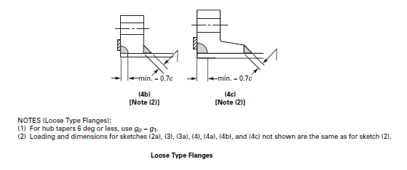
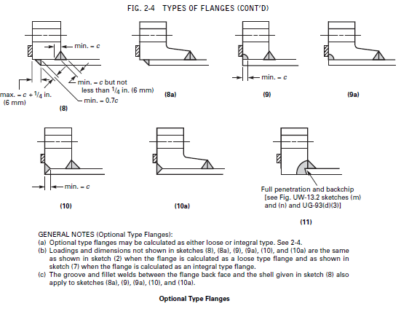
PLANILHAS DE CÁLCULO DE TAMPO SOLDADO, FLANGES CEGO E SOBREPOSTO
Cálculo de tampo plano flangeado ou flange cego
 |  |  |  |  |  | Cálculo da espessura
d |  | Wm1 | 0 |  |  | Operating condition
hG |  | Wm2 | 0 |  |  | t | #DIV/0!
C
 |  | Am1 | #DIV/0!
P |  | Am2 | #DIV/0! |  |  | Gasketing seating
 |  | Am | #DIV/0! |  |  | t | #DIV/0!
E |  | Ab

G |  | W | #DIV/0!
m
y
b

Sa
Sb

Sq
Sf

Cálculo de flange sobreposto ("loose type or optional")
 |  |  |  | Operating condition
 |  |  |  |  |  |  |  | Cálculo de espessura
P |  | HD | 0 |  | hD | 0 |  | t | #DIV/0!
B |  | H | 0 |  | hG | 0
 |  | HT | 0 |  | hT | 0 |  | Cálculo da tensão resultante
G |  | W=W1 | 0 |  |  |  |  | t
b |  | HG | 0 |  | MD | 0
m |  |  |  |  | MT | 0 |  | Tensão | #DIV/0!
y |  |  |  |  | MG | 0

A |  |  |  |  | Mo | 0
B
C |  |  |  | Gasket seating |  |  |  | Cálculo da espessura
 |  | Wm2 | 0 |  | W | #DIV/0! |  | t | #DIV/0!
Sa |  | Am1 | #DIV/0!
Sb |  | Am2 | #DIV/0! |  | Mo | #DIV/0! |  | Cálculo da tensão resultante
 |  | Am | #DIV/0! |  |  |  |  | t
K | #DIV/0! | Ab
Y |  |  |  |  |  |  |  | Tensão | #DIV/0!

Sq
Sf

Cálculo de tampo soldado

d |  | Cálculo da espessura
C |  | t | #DIV/0!
P
S |  | Cálculo da pressão máxima
E |  | t
 |  | P | #DIV/0!

ASME Sec VIII Div 1
UG-34 UNSTAYED FLAT HEADS AND COVERS

The factors for welded covers also include a factor of 0.667 that effectively increases the allowable stress for such constructions to 1.5S.

C a factor depending upon the method of attachment of head, shell dimensions, and other items as listed in (d) below, dimensionless.
d diameter, or short span, measured as indicated in Fig. UG-34
E joint efficiency, from Table UW-12, of any Category A weld as defined in UW-3(a)
hG gasket moment arm, equal to the radial distance from the centerline of the bolts to the line of the gasket reaction, as shown in Table 2-5.2
p internal design pressure (see UG-21)
S maximum allowable stress value in tension from applicable table of stress values referenced by UG-23
t minimum required thickness of flat head or cover
W total bolt load given for circular heads for Formulas (3) and (4), 2-5(e)

(2) The minimum required thickness of flat unstayed circular heads, covers and blind flanges shall be calculated by the following formula:

except when the head, cover, or blind flange is attached by bolts causing an edge moment [sketches (j) and (k)] in which case the thickness shall be calculated by

When using Formula (2), the thickness t shall be calculated for both operating conditions and gasket seating, and the greater of the two values shall be used. For operating conditions, the value of P shall be the design pressure, and
the values of S at the design temperature and W from Formula (3) of 2-5(e) shall be used. For gasket seating, P equals zero, and the values of S at atmospheric temperature
and W from Formula (4) of 2-5(e) shall be used.

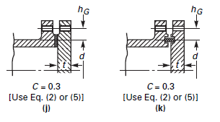

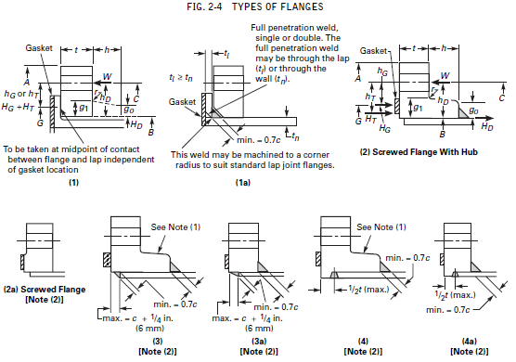
ASME Sec VIII Div 1 |  | Appendix 2
Appendix 2

